Sheet1
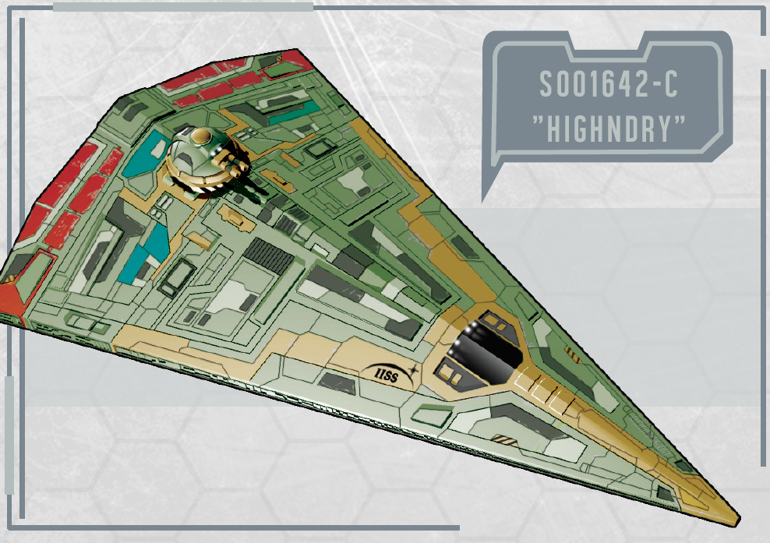

Shipboard Budget |  |  |  |  |  |  |  |  |  |  | -21400 | -21400 | -21400 | -21400

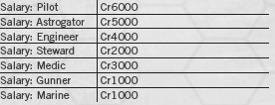
Life Support |  | Fuel |  | Repairs & Maintence |  |  | Salaries

Single occupancy Staterooms | 6 | Refined Fuel Purchased | 0 | Monthly Repair Cost |  | 3064 | Net Salaries | 15000
Double Occupancy Staterooms | 0 | Crude Fuel Purchased | 0 | Months Since last repair |  | 1 | Number Of Crew | 6
Low Berth | 0 | Refined Fuel in cargo | 0 | Net Pending Repair cost |  | 3064 | Per Person Pay | 2500
Berthless Occupant | 0 | Crude Fuel in cargo | 5 | Repair this month? |  | TRUE | Bonuses? (lol as if) | 0
NET | 6000 | NET | 0 | NET |  | 3064 | NET | 15000
Other Expenditures |  | NET Income |  | NET Expenditures |  |  | Net Change |  | Balance at start of month | End of Month Balance

NIL | 0 | 26000 |  | -24064 |  |  | 1936 |  | 52376 | 54312
NIL | 0
NIL | 0
NIL | 0
NET | 0
 | End of Month Balance
 | Current Month |  |  | Month | End of Month Balance
 | 0

